1. Title Page
Project Name: Instacart Grocery Basket Analysis
Date: April 15, 2023
Analyst Name: CJ Gilbert

Contents:
Population Flow
Consistency checks
Wrangling steps
Column derivations
Visualizations
Recommendations

Citations:

Order and product information borrowed with permission from Instacart:
“The Instacart Online Grocery Shopping Dataset 2017”, Accessed from https://www.instacart.com/datasets/grocery-shopping-2017 on 3/6/2023

Fictitious customer information and fictitious prices for products created by CareerFoundry for the purposes of this project.

Packages used
Matplotlib
Seaborn

2. Population Flow
Title page

Population flow

Exclusion flag
Condition: max_order < 5
Obervations to be removed:
First and last name of customers were not imported during the cleaning process in order to protect PII (Personal Indentifiable Information)
Final total count of order_products_all: 32,434,489

orders_products_prior - original data
Total: 32,434,489
orders_products_prior - after consistency checks
Total: 32,434,489

Orders_products_combined
Orders_products_merged
Orders_products_all

Total: 32,434,489
Total: 32,434,489
Total: 32,434,489

1.) The grey boxes in the first row of the population flow represent the original data sets as they were when you downloaded them. In the Total fields you need to add the count of the rows when you imported the data set into Jupyter.
2.) The second row of boxes (coloured) represents the data sets after you manipulated them, e.g., removed missing values and duplicates. In the Total fields you need to add the count of the rows after conducting these operations. This offers a visual oveview of how the data flows throughout the data consistency checks.
3.) The third row, where also the arrows are coloured, represents the merges you performed between the datasets. In the Total fields you need to add the count of the rows in the merged datasets, so that you end up with the final dataset (in the red box). Keep in mind the final dataset should be without exclusions (based on the exclusion flag).

3. Consistency checks
 |  |  |  | Title page
Consistency checks

Dataset | Missing values | Missing values treatment | Duplicates
orders | 206209 rows missing 'days_since_previous_order' | Flag column created to identify if null value exists in 'days_since_previous_order' then the order is the 'first_order_of_new_customer' (Created after using a crosstab to confirm that orders with missing 'days_since_prior_order' were all the first order of a new customer) | No duplicates
products | 16 rows missing product names | Removed per client request | 5 whole-row duplicates removed 4 rows with duplicate product_ids (6800 or 26520) removed
orders_products_prior | None missing | N/A | No duplicates
customers | None missing | N/A | No duplicates

4. Wrangling steps
 |  |  |  |  |  | Title page
Wrangling steps

Dataframe | Columns dropped | Columns renamed | Columns' type changed | Other wrangling | Comment/Reason
orders | eval_set |  |  |  | Unnecessary field.
 |  | order_dow -> order_day_of_week |  |  | Renamed for clarity.
 |  |  | order_id float64 -> int64 |  | All datatypes were changed to a smaller (but still sufficient) datatype to make the dataframe more compact and efficient.
 |  |  | user_id float64 -> int64
 |  |  | order_number int64 -> int16
 |  |  | order_day_of_week int64 -> int8
 |  |  | order_hour_of_day int64 -> int8
 |  |  | days_since_prior_order float64-> float16
products |  | prices -> price |  |  | Renamed for clarity.
 |  |  | product_id int64 -> int32 |  | All datatypes were changed to a smaller (but still sufficient) datatype to make the dataframe more compact and efficient.
 |  |  | aisle_id float64-> int16
 |  |  | department_id float64-> int16
 |  |  | price float64-> float32
 |  |  |  | Revised 2 incorrect prices to be null (NaN) | Correct price could not be determined. Client preferred them to be null rather than removed.
order_products_prior |  |  | order_id float64 -> int64 |  | All datatypes were changed to a smaller (but still sufficient) datatype to make the dataframe more compact and efficient.
 |  |  | product_id int64 -> int32
 |  |  | add_to_cart_order int64 -> int16
 |  |  | reordered int64 -> int8
departments |  |  |  | table transposed from wide to long | Allowed for creation of data dictionary of depts
customers |  | Gender -> gender STATE -> state Age -> age |  |  | Renamed to follow standard naming conventions
 |  |  | date_joined object -> datetimes(64) |  | ~ date_joined needed to be a datetime ~ All datatypes were changed to a smaller (but still sufficient) datatype to make the dataframe more compact and efficient.
 |  |  | n_dependants int64 -> int8
 |  |  | age int64 -> int16
 |  |  | gender object -> category
 |  |  | state object -> category
 |  |  | fam_status object -> category

5. Column derivations
 |  |  |  | Title page

Column derivations and aggregations

Dataset | New column | Derived from column | Conditions
orders | first_order_of_new_customer | days_since_prior_order | If 'days_since_previous_order' = null, then TRUE, else FALSE
orders_products_merged | product_info_available | orders_products_merge_flag | If 'orders_products_merge_flag' = 'both', then TRUE, else FALSE
orders_products_merged | price_available | price | If 'price' is NOT null, then TRUE, else FALSE
orders_products_merged2 | price_range | price | If price is < 5, then 'Low-range product' If price is >= 5 and <15, then 'Mid-range product' If price is >15, then 'High-range product'
orders_products_merged2 | busiest_day | order_day_of_week | If day_of_week = 0 (Sat), then 'Busiest day' If day_of_week = 4 (Weds), then 'Least busy' else all other days are 'Regularly busy'
orders_products_merged2 | busiest_days | order_day_of_week | If day_of_week = 0-1 (Sat-Sun), then 'Busiest days' If day_of_week = 3-4 (Tues-Weds), then 'Least busy days' else all other days are 'Regularly busy days'
orders_products_merged2 | busiest_period_of_day | order_hour_of_day | If hour is <= 15 and >9, then 'Most orders' If hour is <= 23 and >15, then 'Average orders' If hour is <= 9 and >6, then 'Average orders' If hour is <6, then 'Fewest orders'
orders_products_merged2 | max_orders | order_number | max_order is the highest order_number for a given user
orders_products_merged2 | loyalty_flag | max_orders | If max_orders is >40, then 'Loyal customers' If max_orders is >10 and <=40, then 'Regular customers' If max_orders is <=10, then 'New customer'
orders_products_merged2 | mean_spending | price | mean_spending is the average price of the products purchased by that user_id
orders_products_merged2 | spender_type | mean_spending | If mean_spending is >=10, then 'High spender' If mean_spending is <10, then 'Low spender'
orders_products_merged2 | median_days_since_ordering | days_since_prior_order | median_days_since_ordering by that user_id
orders_products_merged2 | frequent_shopper | median_days_since_ordering | If median_days_since_ordering >20 then 'Non-frequent customer' If median_days_since_ordering >10 and <=20 then 'Regular customer' If median_days_since_ordering <=10 then 'Frequent customer'
orders_products_all2 | region | state | Assigns a region to each transaction based on the state: Northeast if in ['Maine', 'New Hampshire', 'Vermont', 'Massachusetts', 'Rhode Island', 'Connecticut', 'New York', 'Pennsylvania', 'New Jersey'] Midwest if in ['Wisconsin', 'Michigan', 'Illinois', 'Indiana', 'Ohio', 'North Dakota', 'South Dakota', 'Nebraska', 'Kansas', 'Minnesota', 'Iowa', 'Missouri'] South if in ['Delaware', 'Maryland', 'District of Columbia', 'Virginia', 'West Virginia', 'North Carolina', 'South Carolina', 'Georgia', 'Florida', 'Kentucky', 'Tennessee', 'Mississippi', 'Alabama', 'Oklahoma', 'Texas', 'Arkansas', 'Louisiana'] West if in ['Idaho', 'Montana', 'Wyoming', 'Nevada', 'Utah', 'Colorado', 'Arizona', 'New Mexico', 'Alaska', 'Washington', 'Oregon', 'California', 'Hawaii']
orders_products_all2 | low_activity_flag | max_orders | If max_orders is <5, then TRUE, else FALSE
orders_products_all2 | total_spent_in_order | price | sum of item prices within a specific order_id
orders_products_all2 | total_spent_in_lifetime | price | sum of item prices within a specific user_id
orders_products_all2 | total_items_in_lifetime | user_id | count of rows (distinct items) ordered by each user_id
orders_products_all2 | avg_items_per_order_by_user | max_order, total_items_in_lifetime | total_items_in_lifetime divided by max_order
orders_products_all3 | income_group | income | If income is <50000 , then 'Low income' If income is <= 150000 and >=50000, then 'Middle class' If income is <= 250000 and >150000, then 'Upper middle class' If income is >250000, then 'Affluent'
orders_products_all3 | senior_citizen | age | If age >=65, then TRUE, else FALSE
orders_products_all3 | two_parent_fam | fam_status and n_dependants | If fam_status = 'married' and n_dependants > 0, then TRUE, else FALSE
orders_products_all3 | single_parent | fam_status and n_dependants | If fam_status is NOT 'married' and n_dependants > 0, then TRUE, else FALSE
orders_products_all3 | baby_parent | n_dependants and department_id | If n_dependants > 0 AND the user has purchased items from the baby department (18), then TRUE, else FALSE
orders_products_all3 | pet_owner | department_id | If a user has purchased items from the pet department (8), then TRUE, else FALSE
dept_data | total_items_sold_by_dept | department_id | count of rows (distinct items) ordered from each department
dept_data | total_spent_in_dept | price | sum of item prices within a specific department_id
dept_data | avg_price_per_item_in_dept | total_spent_in_dept, total_items_sold_by_dept | total_spent_in_dept divided by total_items_sold_in_dept
dept_data | total_orders_from_dept | order_id | count of order_ids grouped by dept_id
dept_data | avg_items_per_order_by_dept | total_items_sold_by_dept | total_items_sold_by_dept divided by number of total number of orders
dept_data | n_unique_items_in_dept | product_id | count of unique product_id s within a dept_id

6. Visualizations
 |  |  |  |  |  |  | Title page

Visualisations

Peak ordering window
9 a.m. - 4 p.m.
Questions
Key Question 1 : When are the busiest days of the week and hours of the day based on number of items ordered?
Users order more items on the weekend (Saturday and Sunday) The peak ordering window is during the middle of the day from 9 a.m.- 4 p.m. The fewest items are ordered between midnight and 6 a.m. During early morning (6-9 a.m.) and evening (4-11 p.m.) the number of items ordered varies during the transition between peak and off-peak periods. | 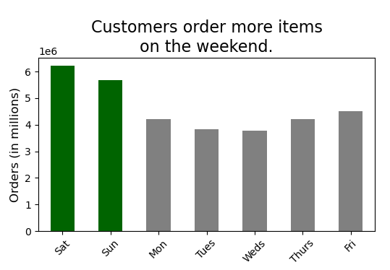 |  |  |  |  | 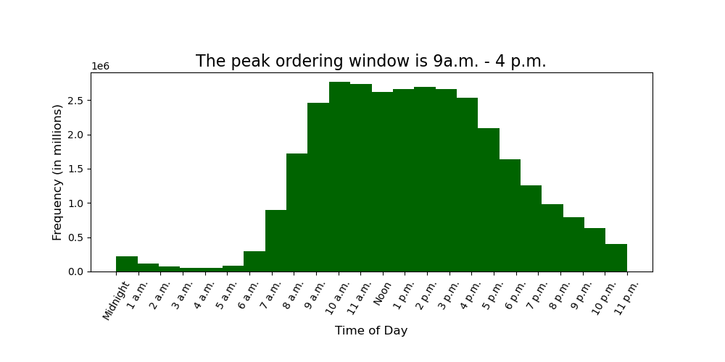

Key Question 2: During which times do people spend the most money?
If we defined 'most money' as being the 'most money per item', then the average amount per item that people spend fluctuates in a 10-cent range, between $7.76-$7.86. Users are typically willing to spend rough $0.10 more per item on Friday and Saturday. When examining average prices by time of day, we see the highest average price occurs at 4 a.m., and the lowest at 3 a.m. and again from 9-10 a.m. More investigation is needed to understand these numbers. | 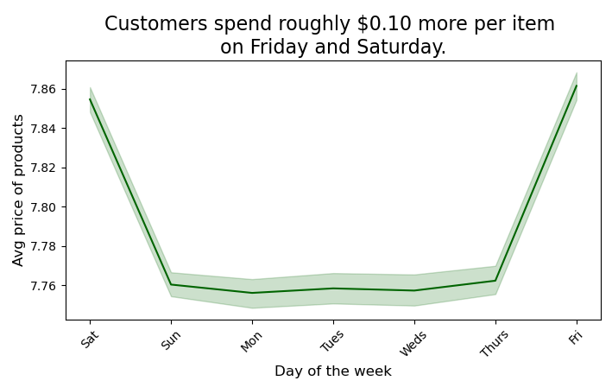 |  |  |  |  | 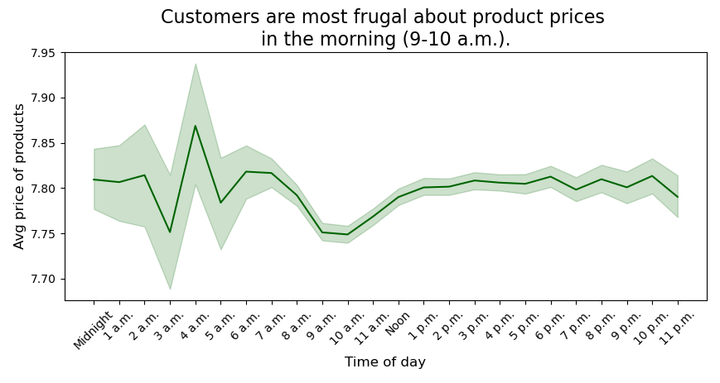
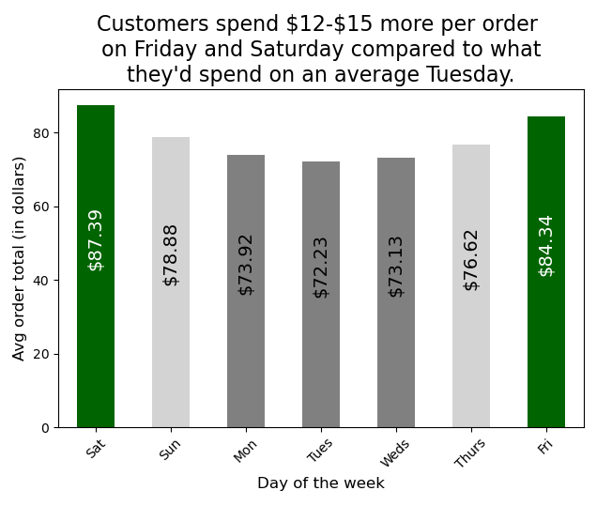
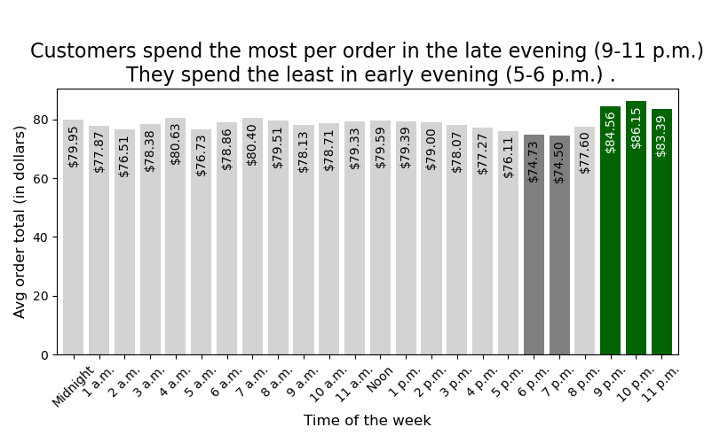
If we defined 'most money' as being the 'most money per order' then the average total spent per order fluctuates in a 15-dollar range, between $72-$87. Users spend the most on Friday and Saturday, and spend the least during the first half of the workweek (Mon-Weds). Users tend to place the largest orders in the late evening, 9-11 p.m. Those orders are $10-$12 larger than the orders typically placed in the early evening (5-6 p.m.) Given that the peak ordering window is from 9 a.m.-4 p.m. in terms of number of items ordered, it is interesting that the most expensive orders are happening outside of that window. This is another area worth additional investigation.

Mid-range products
Between $5-$15
Low-range products
Under $5
High-range products
Above $15
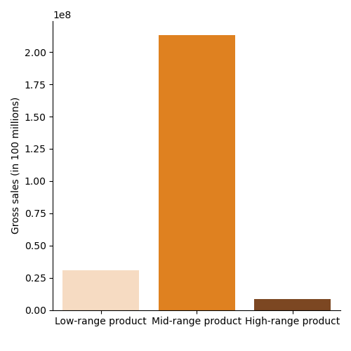
8.5 million
3%
30.6 million
12%
213.3 million
85%
Mid-range products account for
85% of gross sales.
Key Question 3: What are some simpler price range groupings?
The mean price for our items is $7.60 with a standard deviation +/- $4.10. The histogram of prices of items makes it clear there is a sharp decline in the number of items priced above $15. For simplicity, we will group our prices as follows: $5 or under = Low-range product Between $5 and 15 = Mid-range product Above $15 = High-range product | 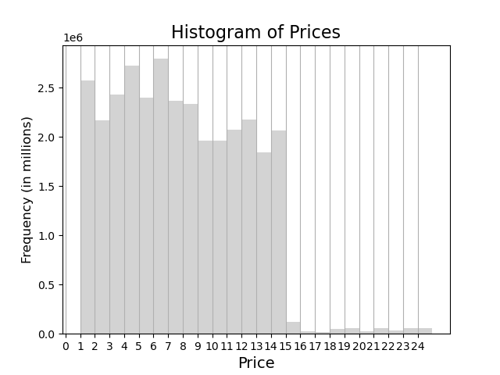
While we sell millions of low-range products, the very nature of their low sales price means they only account for $30.6 million in sales, 12% of our total gross. Mid-range products, in contrast, account for 85% of our total gross by bringing in $213.3 million. High-range products bring in $8.5 million (3% of gross).

Top Ten Departments
by Gross Sales
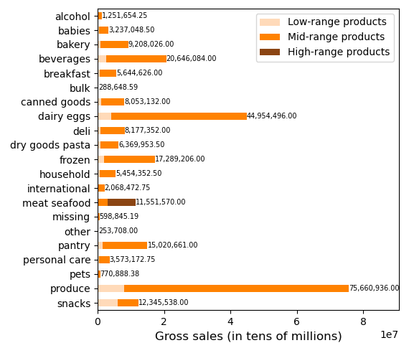
Produce, Dairy/Eggs, and Beverages generate over 50% of gross sales.
The Meat/Seafood department is the only source of significant sales from high-range products (Items >$15).
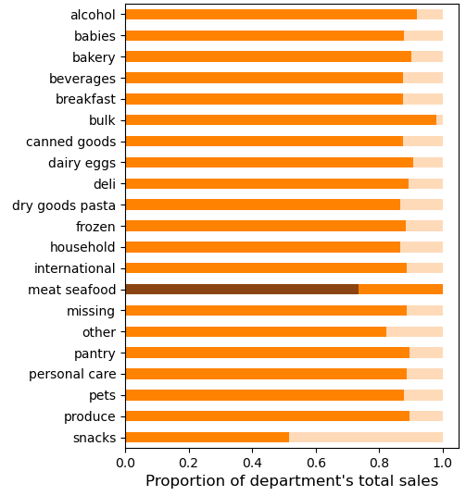
Key Question 4: Are there certain types of products that are more popular than others?
Our most popular department is Produce, with 30% of our sales coming from that department alone. Dairy/Eggs is our second most popular department, accounting for 18% of our gross sales. All of the other departments in the top 10 are significantly smaller, accounting for only 3-8% of our gross sales at any time. |  | Department | Gross sales | %
 |  | produce | 75,660,936.00 | 30%
 |  | dairy/eggs | 44,954,496.00 | 18%
 |  | beverages | 20,646,084.00 | 8%
 |  | frozen | 17,289,206.00 | 7%
 |  | pantry | 15,020,661.00 | 6%
 |  | snacks | 12,345,538.00 | 5%
 |  | meat/seafood | 11,551,570.00 | 5%
 |  | bakery | 9,208,026.00 | 4%
Most departments see the majority of sales coming from mid-range products, with two exceptions: |  | deli | 8,177,352.00 | 3%
 |  | canned goods | 8,053,132.00 | 3%
* Most sales in the Meat/Seafood department are from high-range products (Items over $15). * Sales in the Snack department are roughly evenly split between mid-range and low-range products.

On Fridays and Saturdays, high-range products generate more gross sales than the other two types of products. Since most high-range products are from the meat/seafood department, this means that those products are more popular going into the weekend. | 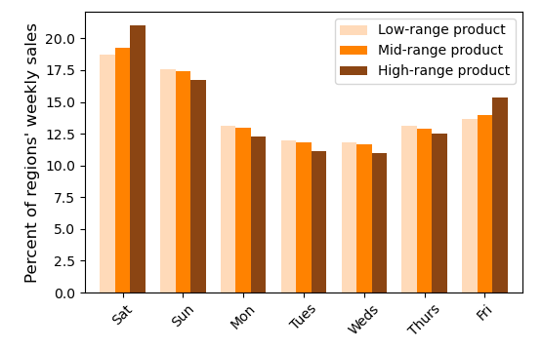

The 8% of users who are 'loyal customers', are responsible for over 30% of our gross sales.
8.3%
Key Question 5: How does the ordering behavior of customers vary based on key characteristics? A) What is the distribution of users in regards to their brand loyalty (to Instacart)?
We have defined brand loyalty for our users as More than 40 orders = Loyal customers Between 10 and 40 orders = Regular customers 10 or fewer orders = New customers Loyal customers, while only 8% of our user base, account for 31.7% of our gross sales. Regular customers are 37.3% of our user base and account for nearly half of our sales (49%). New customers (those with 10 or fewer orders) represent over half of our user base (54.5%) but only account for 19.3% of our gross revenue. |  |  |  |  | 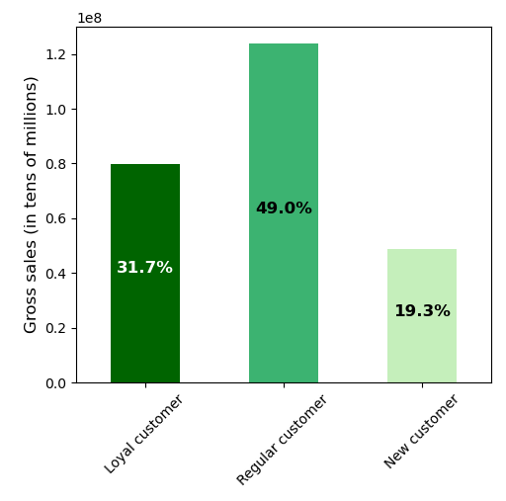

100% of loyal shoppers are frequent shoppers.
Loyal shoppers are less likely to shop on Friday or Saturday than other loyalty groups.
B) Are there differences in ordering habits based on a customer's loyalty status?
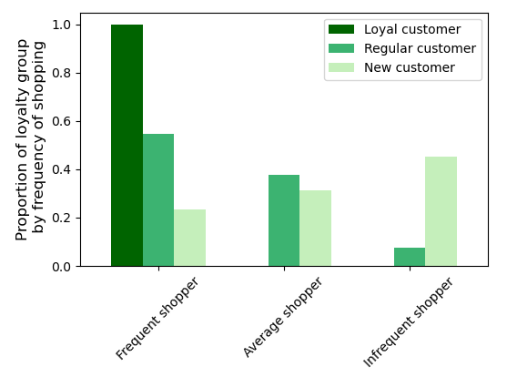
Loyal shoppers are responsible for 31% of our total gross sales. Their sales as a percent of department gross range from 25% (alcohol) to 40% (bulk)
The most significant difference between customers based on loyalty status is the frequency of their orders. Frequent shoppers have a median window of 10 days or fewer between orders -- in other words, placing orders roughly every week or so. 100% of loyal customers are frequent shoppers -- and they typically placing orders every 5 days. Infrequent shoppers are overwhelmingly new customers (90%) with a few regular customers (10%) There are other minor differences between the loyalty statuses:
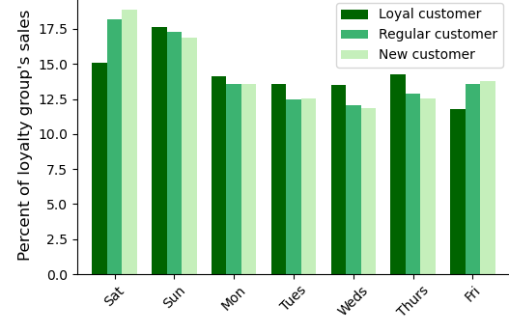
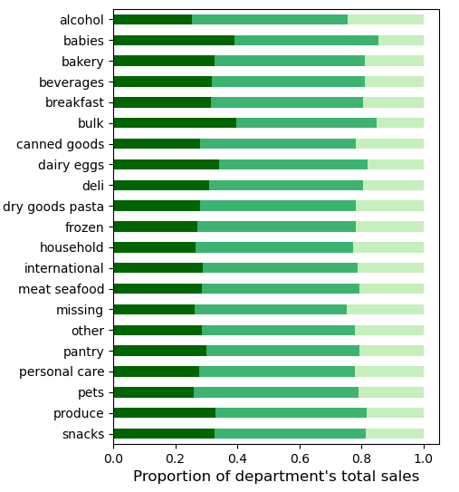

* Regular customers spend, on average, $3.26 more per order than new customers. Loyal customers spend, on average, $1.58 more than new customers. * Loyal customers are less likely to shop on Friday or Saturday than other loyalty groups. This results in them being slightly more consistent (less variable) in terms of which day they shop, (with a standard deviation of just 1.8). * New customers are most likely to shop on the weekend and are the most variable over the week (with a standard deviation of 2.6). * Ordering trends in different departments and by time of day mimic overall trends with very small variations.
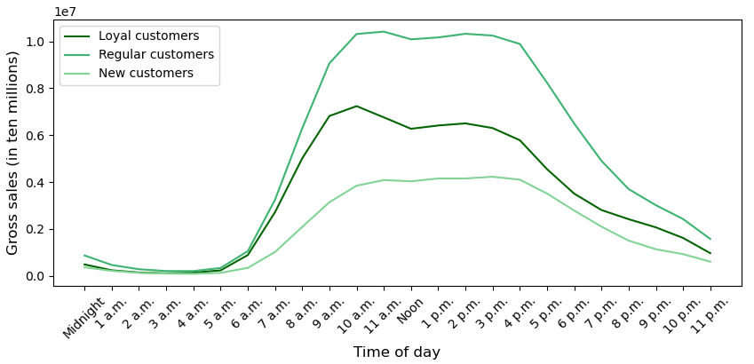

 |  |  | Per Order Averages
 |  |  | order total | number of items
 |  | Loyal customer | $78.02 | 10.1
 |  | Regular customer | $79.70 | 10.2
 |  | New customer | $76.44 | 9.8
0.31

The South is home to a 1/3 of our users.
70% of users are married.
Senior citizens make up 26.5% of our users.
C) Are there differences in ordering habits based on a customer's…
▪ region?
▪ family status?
▪ status as a senior citizen?
There are no significant differences in ordering habits based on region, family status, or whether someone is a senior citizen. For each of those demographics, there are no significant differences in terms of average quanity ordered, average (or total) gross sales, preferences for specific departments, loyalty status, frequency of shopping, or timing of orders (by day of week or hour of day). In each case, the numbers associated with a characteristic are proportional to the number of users with that characteristic. For example, 70% of users are married, and so 70% of gross sales are from married users, 70% of loyal customers are married, etc.

After the description of each classification profile, key differences are shared.
Roughly 15% of affluent users are loyal customers versus 8-9% of middle and upper middle class users and only 6% of low income users.
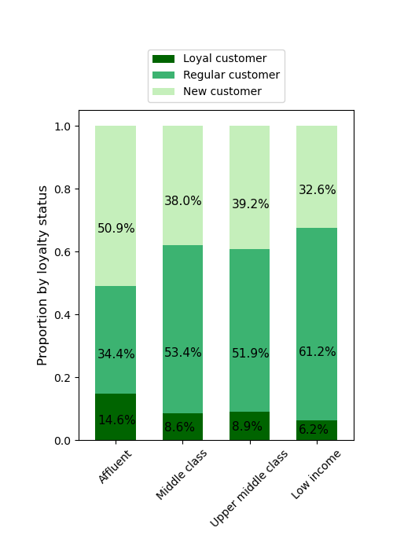
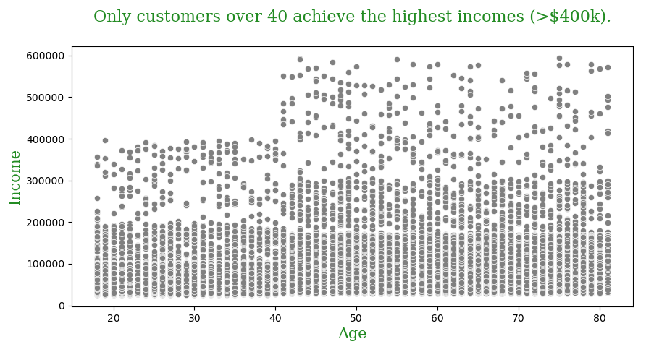
Key Question 6: What different classifications does the demographic information suggest?
Key Question 7: What differences can we find in ordering habits of different customer profiles?
a) Income is one way to classify our users. By blending current U.S. income groupings and our own demographic information, we have created the following income groupings:
'Low income' = Under $50k 'Middle class' = Between $50-150k 'Upper middle class' = Between $150-250k 'Affluent' = Over $250k

Loyal customers are spread across all income groups, although affluent users are more likely to be loyal customers than any other other income grouping. Most income groups are also spread across all possible age groups with the exception of the top of the Affluent grouping -- only customers who are over 40 years old achieve incomes over $400k.

Only 12% of users have babies, but they account for 23% of our gross sales - almost twice what we'd expect.
Number of Users
Gross Sales
b) Parenthood -- and especially identifying parents of babies -- is an important classification of users.
75% of our users have dependants, and roughly 1/6 of those users have one or more babies at home. The 12% of users who have babies end up generating 23.2% of our gross sales - almost twice what we'd expect. In fact, parents of babies are loyal customers at twice the expected rate: 27% of loyal cusotmers are parents of babies. Parents of babies also tend to place 35% larger orders than other users. In terms of product preferences, parents of babies account for roughly 23% of the gross sales in each department (+/-5%), with two notable exceptions:
23.2%
Parents of Babies
Parents of Children or Teens
51.8%
12.3%
Parents of Babies
Parents of Children or Teens
62.7%

* 75% of revenue in the baby department comes from orders by parents of babies. The other 25% of sales may be the result of gifts and/or outside use cases. * 10% of revenue in the alcohol department comes from parents of babies - below the 12.3% that would be expected if all things were proportional.
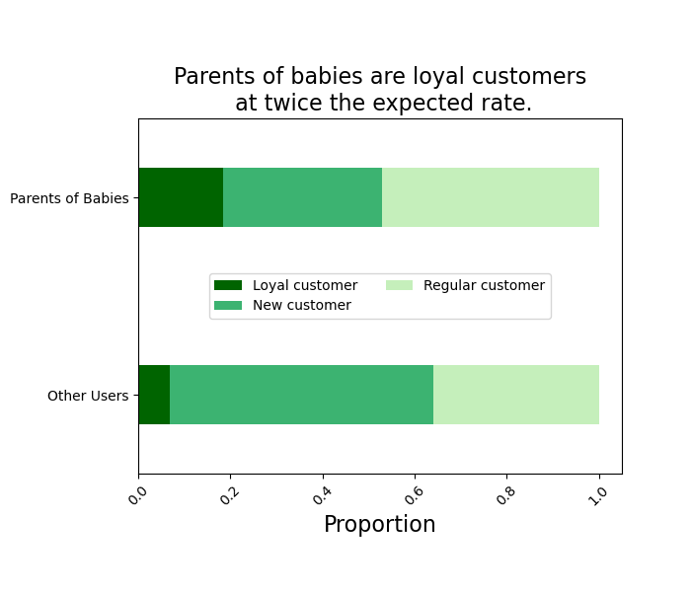
Parents of Babies
Other Users
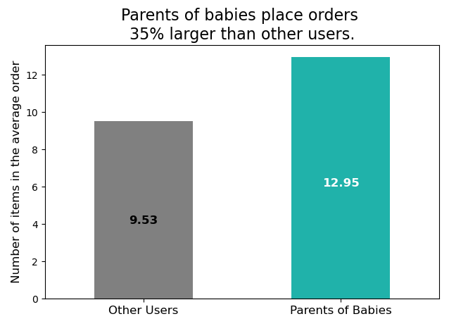

Parents of babies do not show any significant differences in terms of the time of day that they place orders nor in terms of which day of the week they are most likely to place orders.

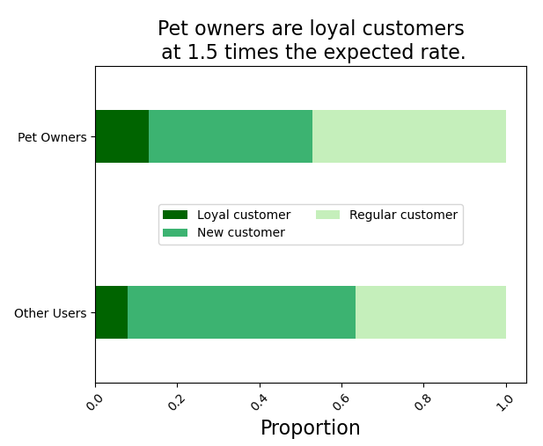
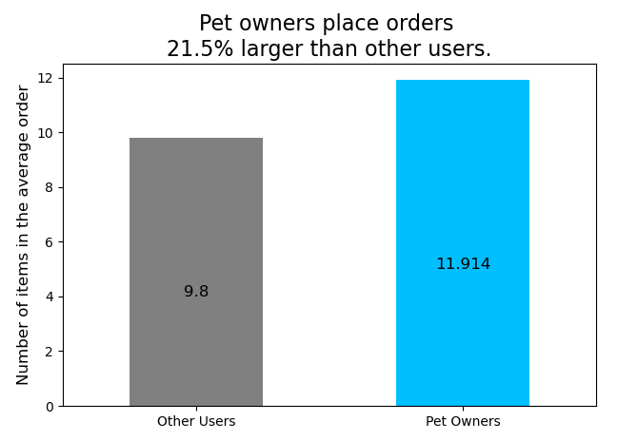
c) Pet owners are another group of users worth exploring.
Only 7.3% of users are pet owners, but they have some interesting characteristics.

Pet Owners
11% of loyal customers are pet owners -- which is 1.5 times larger than the expected rate (7.3%). Pet owners also place orders that are 21.5% larger than other users. Their orders account for a higher than expected proportion of gross sales across all departments except for bulk. Affluent users are twice as likely to be pet owners as middle class users, and almost four times as likely as low income users.

Other Users

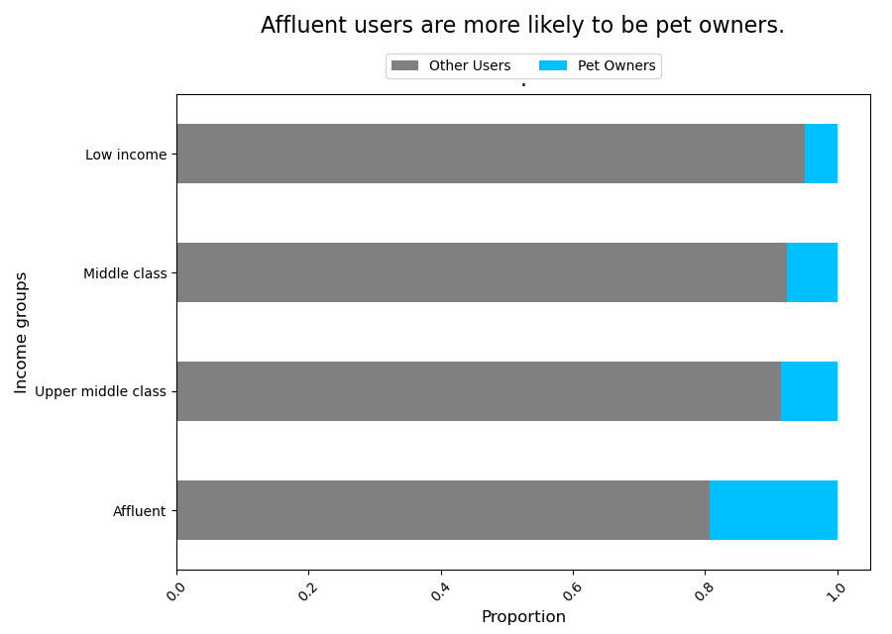
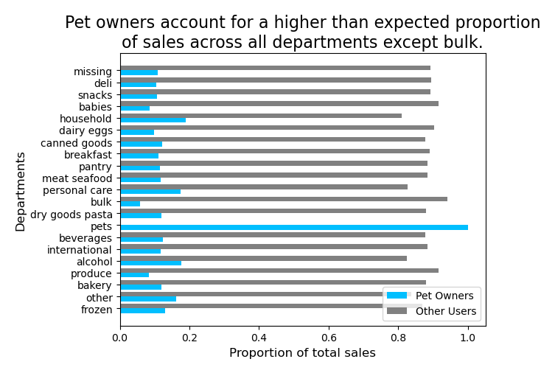
0.07

Return to Title page

Return to Top of Visualisations

7. Recommendations
 |  | Title page

Recommendations

Question | Recommendations
Key Question 1 : When are the busiest days of the week and hours of the day based on number of orders? The sales team wants to schedule ads at times when there are fewer orders. | Our peak ordering window (in terms of quanity sold) is 9 a.m. - 4 p.m., and our busiest days are the weekend (Friday through Sunday). If we wish to schedule more advertisements during times when there are fewer orders, the sales team should focus on running more ads Monday through Thursday as these days currently have the fewest items ordered / lowest revenue. Additionally, there are several distinct 'slower' times of day that the sales department could take advantage of: 1) From 5-6 p.m., customers tend to place smaller orders, perhaps due to being in a rush to get home for dinner. Advertisements for items that could serve as a ready-to-eat dinner that could be delivered along with the rest of the order could increase sales. 2) From 7-9 p.m. (and again from 7-9 a.m.) is a transitionary period between the peak ordering window and the off-peak times. These transitionary periods could benefit from advertisements. 3) From 9-11 p.m. we tend to experience fewer -- but larger -- orders. These means that late-evening shoppers may be more receptive to suggestive selling. 4) From Midnight-6a.m., our sales tend to be slowest. Advertising 'night owl' specials may help increase revenue during this off-peak window.

Key Question 2: During which times do people spend the most money? The sales teams may use this to inform the type of products they advertise at these times. | Customers tend to buy more items on the weekend (Saturday and Sunday), but they tend to spend more on Friday and Saturday. Specifically, customers tend to purchase more meat/seafood on those days, and since a significant percentage of meat/seafood products fall into the higher price range, this drives up revenue. Ads that highlight the meat/seafood products on sale each weekend could help generate even more revenue. Additionally, customers tend to spend roughly 8% more per order in the late evening hours (9-11 p.m.) than during the peak ordering window, which may mean that these users are more receptive to suggestive selling. There are also smaller bumps in spending at 4 a.m. and 7 a.m. -- it may be that these correspond with people placing orders on their way home from a late-night shift or before going in to work. More investigation into the users who tend to order at these times could yield insights into what types of products to advertise at these times.

Key Question 3: What are some simpler price range groupings? Marketing and sales would like these to help direct their efforts. | Our simplified price groupings are: $5 or under = Low-range product One-third of our products are $5 or under (16,290 products). 10.1 million units of low-range products have been sold. Low-range products have generated $30.6 million in sales (12% of our total gross). Between $5 and $15 = Mid-range product Almost 2/3 of our products are considered mid-range products (32,820 products) 21.9 million units of mid-range products have been sold. Mid-range products generate 85% of our total gross, bringing in $213.3 million. Above $15 = High-range product Only 1% of our products are considered high-range products (545 products). 412,551 units of high-range products have been sold. High-range products generate 3% of our total gross, bringing in 8.5 million. * Within the meat/seafood department, 74% of their gross sales is a result of high-range products.

Key Question 4: Are there certain types of products that are more popular than others? The marketing and sales teams want to know which departments have the highest frequency of product orders and/or gross sales. | Our most popular department is Produce, with 30% of our sales coming from that department alone ($75.7 million). Dairy/Eggs is our second most popular department, resulting in 18% of our gross ($45 million). The top ten departments (with their percentages) are as follows: 1. Produce (30%) 2. Dairy/Eggs (18%) 3. Beverages (8%) 4. Frozen (7%) 5. Pantry (6%) 6. Snacks (5%) 7. Meat/Seafood (5%) 8. Bakery (4%) 9. Deli (4%) 10. Canned Goods (5%)

Key Question 5: How does the ordering behavior of customers vary based on brand loyalty? Examples: * What is the distribution of users in regards to their brand loyalty (to Instacart)? * Are their differences in ordering habits based on a customer's loyalty status? | We define 'brand loyalty' for our users as More than 40 orders = Loyal customers Between 10 and 40 orders = Regular customers 10 or fewer orders = New customers Loyal customers, while only 8% of our user base, account for 31.7% of our gross sales. While they do spend slightly more than new customers (on average $2 more per order), their most defining characteristic is the frequency of their ordering. 100% of loyal customers are also frequent shoppers -- placing orders, on average, every 5 days. 37% of our users are classified as 'regular customers' but they generate 49% of our gross sales. They too spend slighly more than new customers (on average $3 more per order), but more importantly, these users generally place orders with average or above-average frequency. New customers -- those with 10 or fewer orders -- make up over 54% of our user base, but only account for less than 20% of our gross sales. These numbers suggest that increasing the frequency with which new customers place orders is key to moving them from being just an occasional user to a loyal Instacart customer. With increased frequency of orders comes increased sense of relationship for the user (and increased revenue for Instacart). Promotions or programs that encourage customers to place another order within 10 days would encourage users to create a 'weekly' Instacart habit.
 | Additionally, another characteristic of loyal customers is that they are less likely to shop on Friday or Saturday than regular or new customers. This suggests a possible two-pronged advertising strategy. First, we can highlight how loyal Instacart users get to the avoid the stress of shopping when stores are busy (or wait times for delivery are long) because they've set up a weekly habit of getting groceries delivered. Second, we could reward those loyal customers with special deals during those off-peak times as thanks for being loyal users (and to encourage them to continue to shop during off-peak times, allowing us to have more resources for wooing new customers during peak windows).

Key Question 6: What different classifications does the demographic information suggest? Key Question 7: What differences can we find in ordering habits of different customer profiles? | Possible demographic classifications include region, age, gender, family status, income, and so on. After thorough investigation of these possible classifications, the three profiles that yielded the most actionable insights were * Affluent users (based on income groupings) * Parents of babies (based on number of dependants and purchases in the babies department) * Pet owners (based on purchases in the pets department)

 | Affluent users are defined as those having incomes of $250,000 or more per year. Just under 700 of our users are classified as affluent (0.3%), but those users are twice as likely to be loyal customers. In fact, they are more likely to be loyal customers than any other income grouping. Additionally, orders placed by affluent users will, on average, have 14% more items than a middle class user and total $8.68 more. Affluent customers spend more than expected in the pet and alcohol departments, which suggests that targeted advertisements to this demographic may yield even greater revenue.

 | Parents of babies represent 12% of our user base but generate 23.2% of our gross sales -- almost twice what we'd expect. Parents of babies are also loyal customers at twice the expected rate, and they tend to place orders 35% larger than other users. In terms of recruiting new customers, Instacart should investigate ways to get parents of babies (or pregnant parents-to-be) to try their services. This is a situation where using some loss-leader pricing on products in the babies department could be easily justified by the long-term gains of having such parents as customers. Programs or promotions that encourage users to set up recurring orders of necessities (such as diapers, wipes, etc.) can be a benefit to harried parents and provide a boon in revenue for Instacart.

 | Pet owners only make up 7.3% of our user base, but they are loyal customers at 1.5 times the expected rate, and they tend to place orders that are 21.5% larger than other users. Their orders account for a higher-than-expected proportion of gross sales across all departments except for bulk. Again, programs or promotions that encourage users to set up recurring orders (such as for pet food, litter, etc.) can benefit both the user and the bottom line. Additionally, creating opportunities to 'spoil' a user's pet via targeted ads could increase revenue even further.
Return to Title page

Return to Top of Recommendations

